Location Elche
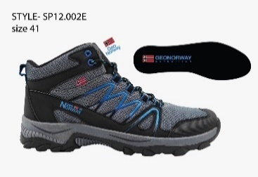
Footwear Division |  |  |  | 4440
 | SKU | COLOUR | SIZE | Pairs Available | RRP on WEB | Delivery Date
 | GNM10301-10 | GREY | 40 | 20 | 144.95 € | immediate (may 2022)
 | GNM10301-10 | GREY | 41 | 30 | 144.95 € | immediate (may 2022)
 | GNM10301-10 | GREY | 42 | 60 | 144.95 € | immediate (may 2022)
 | GNM10301-10 | GREY | 43 | 70 | 144.95 € | immediate (may 2022)
 | GNM10301-10 | GREY | 44 | 30 | 144.95 € | immediate (may 2022)
 | GNM10301-10 | GREY | 45 | 30 | 144.95 € | immediate (may 2022)
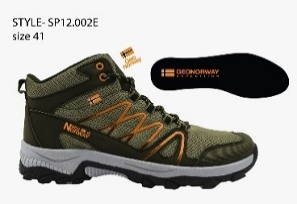
 | GNM10301-11 | KHAKI | 40 | 10 | 144.95 € | immediate (may 2022)
 | GNM10301-11 | KHAKI | 41 | 30 | 144.95 € | immediate (may 2022)
 | GNM10301-11 | KHAKI | 42 | 60 | 144.95 € | immediate (may 2022)
 | GNM10301-11 | KHAKI | 43 | 70 | 144.95 € | immediate (may 2022)
 | GNM10301-11 | KHAKI | 44 | 30 | 144.95 € | immediate (may 2022)
 | GNM10301-11 | KHAKI | 45 | 20 | 144.95 € | immediate (may 2022)
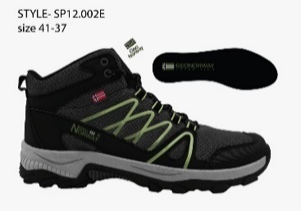
 | GNM10301-01 | BLACK | 40 | 10 | 144.95 € | immediate (may 2022)
 | GNM10301-01 | BLACK | 41 | 20 | 144.95 € | immediate (may 2022)
 | GNM10301-01 | BLACK | 42 | 50 | 144.95 € | immediate (may 2022)
 | GNM10301-01 | BLACK | 43 | 60 | 144.95 € | immediate (may 2022)
 | GNM10301-01 | BLACK | 44 | 20 | 144.95 € | immediate (may 2022)
 | GNM10301-01 | BLACK | 45 | 20 | 144.95 € | immediate (may 2022)
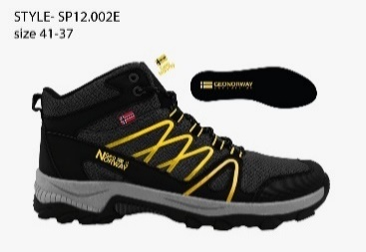
 | GNM10301-43 | BLACK/YELLOW | 40 | 20 | 144.95 € | immediate (may 2022)
 | GNM10301-43 | BLACK/YELLOW | 41 | 40 | 144.95 € | immediate (may 2022)
 | GNM10301-43 | BLACK/YELLOW | 42 | 70 | 144.95 € | immediate (may 2022)
 | GNM10301-43 | BLACK/YELLOW | 43 | 80 | 144.95 € | immediate (may 2022)
 | GNM10301-43 | BLACK/YELLOW | 44 | 40 | 144.95 € | immediate (may 2022)
 | GNM10301-43 | BLACK/YELLOW | 45 | 30 | 144.95 € | immediate (may 2022)
 | GNW10302-01 | BLACK | 36 | 30 | 144.95 € | immediate (may 2022)
 | GNW10302-01 | BLACK | 37 | 70 | 144.95 € | immediate (may 2022)
 | GNW10302-01 | BLACK | 38 | 120 | 144.95 € | immediate (may 2022)
 | GNW10302-01 | BLACK | 39 | 130 | 144.95 € | immediate (may 2022)
 | GNW10302-01 | BLACK | 40 | 70 | 144.95 € | immediate (may 2022)
 | GNW10302-01 | BLACK | 41 | 40 | 144.95 € | immediate (may 2022)
 | GNW10302-43 | BLACK/YELLOW | 36 | 40 | 144.95 € | immediate (may 2022)
 | GNW10302-43 | BLACK/YELLOW | 37 | 70 | 144.95 € | immediate (may 2022)
 | GNW10302-43 | BLACK/YELLOW | 38 | 120 | 144.95 € | immediate (may 2022)
 | GNW10302-43 | BLACK/YELLOW | 39 | 130 | 144.95 € | immediate (may 2022)
 | GNW10302-43 | BLACK/YELLOW | 40 | 70 | 144.95 € | immediate (may 2022)
 | GNW10302-43 | BLACK/YELLOW | 41 | 50 | 144.95 € | immediate (may 2022)
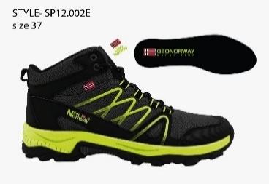
 | GNW10302-18 | YELLOW | 36 | 40 | 144.95 € | immediate (may 2022)
 | GNW10302-18 | YELLOW | 37 | 80 | 144.95 € | immediate (may 2022)
 | GNW10302-18 | YELLOW | 38 | 130 | 144.95 € | immediate (may 2022)
 | GNW10302-18 | YELLOW | 39 | 140 | 144.95 € | immediate (may 2022)
 | GNW10302-18 | YELLOW | 40 | 80 | 144.95 € | immediate (may 2022)
 | GNW10302-18 | YELLOW | 41 | 50 | 144.95 € | immediate (may 2022)
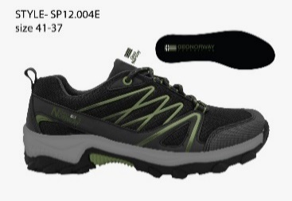
 | GNM10303-01 | BLACK | 40 | 10 | 129.95 € | immediate (may 2022)
 | GNM10303-01 | BLACK | 41 | 30 | 129.95 € | immediate (may 2022)
 | GNM10303-01 | BLACK | 42 | 60 | 129.95 € | immediate (may 2022)
 | GNM10303-01 | BLACK | 43 | 70 | 129.95 € | immediate (may 2022)
 | GNM10303-01 | BLACK | 44 | 30 | 129.95 € | immediate (may 2022)
 | GNM10303-01 | BLACK | 45 | 20 | 129.95 € | immediate (may 2022)
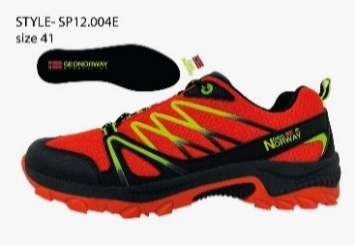
 | GNM10303-13 | ORANGE | 40 | 40 | 129.95 € | immediate (may 2022)
 | GNM10303-13 | ORANGE | 41 | 80 | 129.95 € | immediate (may 2022)
 | GNM10303-13 | ORANGE | 42 | 140 | 129.95 € | immediate (may 2022)
 | GNM10303-13 | ORANGE | 43 | 150 | 129.95 € | immediate (may 2022)
 | GNM10303-13 | ORANGE | 44 | 80 | 129.95 € | immediate (may 2022)
 | GNM10303-13 | ORANGE | 45 | 50 | 129.95 € | immediate (may 2022)
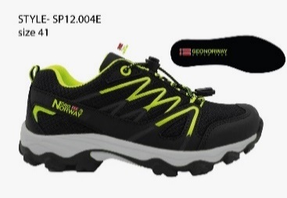
 | GNM10303-43 | BLACK/YELLOW | 40 | 30 | 129.95 € | immediate (may 2022)
 | GNM10303-43 | BLACK/YELLOW | 41 | 60 | 129.95 € | immediate (may 2022)
 | GNM10303-43 | BLACK/YELLOW | 42 | 110 | 129.95 € | immediate (may 2022)
 | GNM10303-43 | BLACK/YELLOW | 43 | 120 | 129.95 € | immediate (may 2022)
 | GNM10303-43 | BLACK/YELLOW | 44 | 60 | 129.95 € | immediate (may 2022)
 | GNM10303-43 | BLACK/YELLOW | 45 | 40 | 129.95 € | immediate (may 2022)
 | GNW10304-01 | BLACK | 36 | 30 | 129.95 € | immediate (may 2022)
 | GNW10304-01 | BLACK | 37 | 70 | 129.95 € | immediate (may 2022)
 | GNW10304-01 | BLACK | 38 | 120 | 129.95 € | immediate (may 2022)
 | GNW10304-01 | BLACK | 39 | 130 | 129.95 € | immediate (may 2022)
 | GNW10304-01 | BLACK | 40 | 70 | 129.95 € | immediate (may 2022)
 | GNW10304-01 | BLACK | 41 | 40 | 129.95 € | immediate (may 2022)
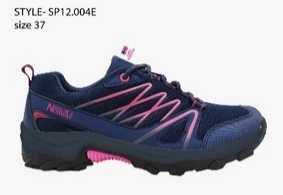
 | GNW10304-12 | NAVY | 36 | 30 | 129.95 € | immediate (may 2022)
 | GNW10304-12 | NAVY | 37 | 60 | 129.95 € | immediate (may 2022)
 | GNW10304-12 | NAVY | 38 | 110 | 129.95 € | immediate (may 2022)
 | GNW10304-12 | NAVY | 39 | 120 | 129.95 € | immediate (may 2022)
 | GNW10304-12 | NAVY | 40 | 60 | 129.95 € | immediate (may 2022)
 | GNW10304-12 | NAVY | 41 | 40 | 129.95 € | immediate (may 2022)

